Sheet1
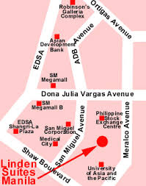
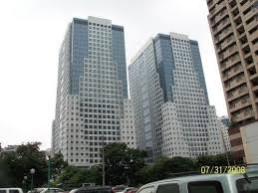
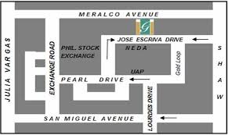
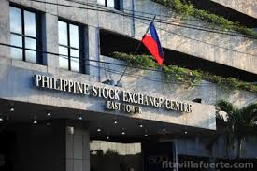

U-2204 22/FLR PHIL. STOCK EXCHANGE
EAST TOWER ORTIGAS CENTER PASIG CITY
TEL. NOS. 5075115 / 9984076 FAX NO. 8511159

Applicant's name: |  | JOHN DELA CRUZ
Contact Nos : |  | 0917-7777777

SAMPLE COMPUTATION

 |  |  |  | PLS. fill-up the needed info: | Replace for your desired amount
 | FEES AND CHARGES |  |  | CLIENT'S PASSPORT ID INFO:
 | 1ST MONTH
 | AMOUNT FUNDED : | Php | 600,000.00 | PASSPORT ID#:
 | INTEREST CHARGE : | 2.49% | 14,940.00
 | HANDLING FEE : |  | WAIVED | PLACE ISSUED:
 | BANK CHARGES : |  | WAIVED |  | Replace for a prevailing prepaid interest charge
 | TOTAL CHARGES : | Php | 14,940.00 | DATE ISSUED :

 | 2ND MONTH ONWARDS |  |  | DATE EXPIRED :
 | AMOUNT FUNDED : | Php | 600,000.00
 | INTEREST CHARGE : |  | 14,940.00 | TIN ID NUMBER :
 | HANDLING FEE : |  | WAIVED
 | BANK CHARGES : |  | WAIVED | Home Address: _________________________
 | TOTAL CHARGES : | Php | 14,940.00

 | REQUIREMENTS:
1 | 2 PCS 1X1 / 2X2 ID PICTURE
2 | 2 VALID ID'S (GOV'T ISSUED ID)
3 | LATEST RESIDENCE UTILITY BILL
4 | TIN ID / TIN NUMBER
5 | SSI ID / SSS NUMBER

NOTE: RENEWAL / 2ND MONTH ONWARDS PAYMENTS WILL BE TO DEPOSITED DIRECTLY TO:
 | BDO CA/SA SM SUPERCENTER PASIG BR. ACCT#143-000-7212
 | ACCOUNT NAME: MEGALINC BUSINESS CONSULTANCY

Megalinc Business Consultancy
Office Address: 22/F Tektite Tower
Phil. Stock Exchange Ortigas Centre
Pasig City
near RCBC Savings Bank
back of Megamall and San Miguel Properties

